Actual Operation Evidence
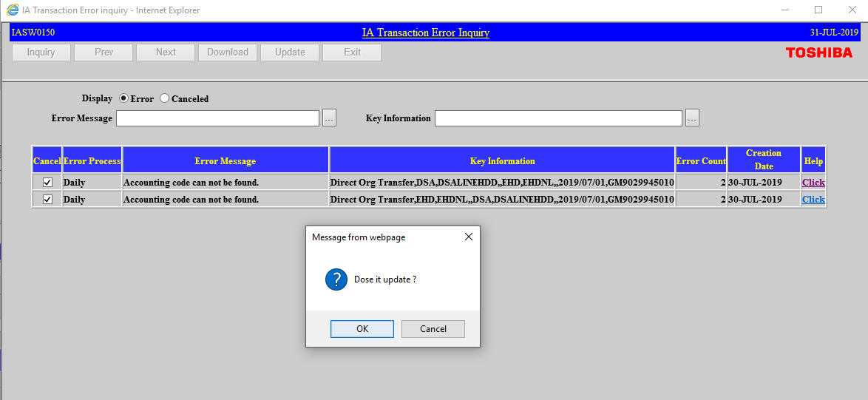
Actual Operation Evidence

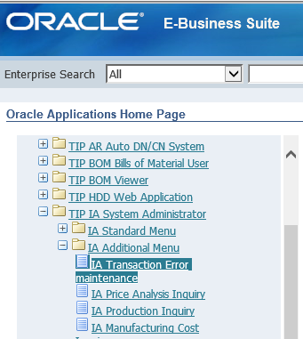

 | SELECT *
 | FROM xxia.ias_journal_error

 | LEDGER_NAME | ERROR_PROCESS | ERROR_COMMENT_KEY | ERROR_COUNT | ERROR_KEY_INF | CREATION_DATE | CREATED_BY | CANCEL_DATE
 | T090593_TIP_IFRS | Daily | IAS_ERROR005 | 2 | Direct Org Transfer,DSA,DSALINEHDD,,EHD,EHDNL,,2019/07/01,GM9029945010 | 7/30/2019 2:53:51 PM | IASS0270
 | T090593_TIP_IFRS | Daily | IAS_ERROR005 | 2 | Direct Org Transfer,EHD,EHDNL,,DSA,DSALINEHDD,,2019/07/01,GM9029945010 | 7/30/2019 2:53:51 PM | IASS0270

Helpdesk Request
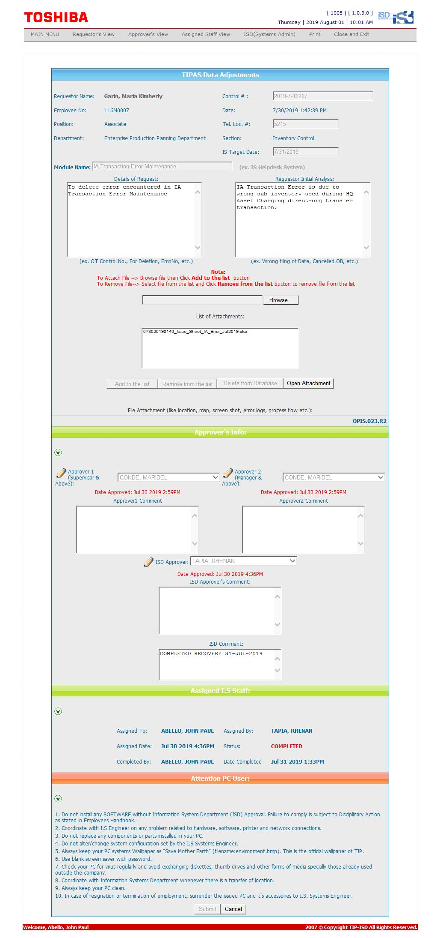
Helpdesk Request

